2023-2024 (F+S+SU)
2023-2024 Cost of Attendance (Fall 23 + Spring 24 + Summer 24) |  |  |  |  |  |  |  |  |  |  |  |  |  |  |  |  |  |  |  |  |  |  |  |  |  |  |  |  | Updated 07/11/23
With 9% increase and new Non-Resident Fee (starting Summer 23)
# | Allowance | Resident |  |  |  |  |  |  |  |  |  |  |  |  |  |  | Non-Resident
 |  | Credit |  |  |  |  |  |  |  |  |  | Non-Credit |  |  |  | Less than Half-time | at home NRATH |  |  |  |  |  | away from home NRAWH |  |  |  |  |  | Less than Half-time
 |  | at home RATH |  |  |  |  | away from home RAWH |  |  |  |  | at home NCRATH |  | away from home NCRAWH
 |  | year | one semester (Fall 23 or Spr 24) | Sum 24 only | 11 months | one semester +Summer | year | one semester (Fall 23 or Spr 24) | Sum 24 only | 11 months | one semester +Summer | year | one semester | year | one semester |  | year | one semester (Fall 23 or Spr 24) | Sum 24 only | Summer as part of Fall+Sum or Spr+Sum | 11 months | one semester +Summer | year | one semester (Fall22 or Spr 23) | Sum 23 only | Summer as part of Fall+Sum or Spr+Sum | 11 months | one semester +Summer
 |  |  | 50.00% | 50.00% | 119.44% | 69.44% |  | 50.00% | 50.00% | 119.44% | 69.44% |  |  |  |  |  |  | 50.00% | 50.00% | 19.44% | 119.44% | 69.44% |  | 50.00% | 50.00% | 19.44% | 119.44% | 69.44%
1 | Books, course materials, supplies, and equipment | 1,022 | 511 | 511 | 1,221 | 710 | 1,022 | 511 | 511 | 1,221 | 710 | 1,022 | 511 | 1,022 | 511 | 1,022 | 1,022 | 511 | 511 | 199 | 1,221 | 710 | 1,022 | 511 | 511 | 199 | 1,221 | 710 | 1,022
2 | Enrollment or/and Health Fees* | 1,696 | 848 | 844 | 2,022 | 1,174 | 1,696 | 848 | 844 | 2,022 | 585 | 0 | 0 | 0 | 0 | 1,696 | 1,696 | 848 | 844 | 326 | 2,022 | 1,174 | 1,696 | 848 | 844 | 326 | 2,022 | 1,174 | 1,696
3 | Out of State Tuition and Fee** | 0 | 0 | 0 | 0 | 0 | 0 | 0 | 0 | 0 | 0 | 0 | 0 | 0 | 0 | 0 | 12,960 | 6,480 | 6,480 | 2,519 | 15,479 | 8,999 | 12,960 | 6,480 | 6,480 | 2,519 | 15,479 | 8,999 | 12,960
4 | Miscellan. Personal Expenses | 3,934 | 1,967 | 1,967 | 4,699 | 2,732 | 4,827 | 2,414 | 2,414 | 5,765 | 3,352 | 3,934 | 1,967 | 4,827 | 2,414 | 0 | 3,934 | 1,967 | 1,967 | 765 | 4,699 | 2,732 | 4,827 | 2,414 | 2,414 | 938 | 5,765 | 3,352 | 0
5 | Food and Housing | 11,036 | 5,518 | 5,518 | 13,181 | 7,663 | 21,179 | 10,590 | 10,590 | 25,296 | 14,707 | 11,036 | 5,518 | 21,179 | 10,590 | 0 | 11,036 | 5,518 | 5,518 | 2,145 | 13,181 | 7,663 | 21,179 | 10,590 | 10,590 | 4,117 | 25,296 | 14,707 | 0
6 | Transportation | 1,756 | 878 | 878 | 2,097 | 1,219 | 1,923 | 962 | 962 | 2,297 | 1,335 | 1,756 | 878 | 1,923 | 962 | 1,756 | 1,756 | 878 | 878 | 341 | 2,097 | 1,219 | 1,923 | 962 | 962 | 374 | 2,297 | 1,335 | 1,756
TOTAL COST OF EDUCATION |  | 19,444 | 9,722 | 9,718 | 23,220 | 13,498 | 30,647 | 15,324 | 15,320 | 36,601 | 20,688 | 17,748 | 8,874 | 28,951 | 14,476 | 4,474 | 32,404 | 16,202 | 16,198 | 6,295 | 38,699 | 22,497 | 43,607 | 21,804 | 21,800 | 8,473 | 52,080 | 30,277 | 17,434

 | Nonresident charges for 2023-2024 are $360.00 ($358.00 Tuition fee + $2.00 Capital outlay fee) per unit (subject to change). For Non-Resident students add $12,960.00 ($360.00 * 36 units) to the Cost of Education listed above (Out of State Tuition and Fees).
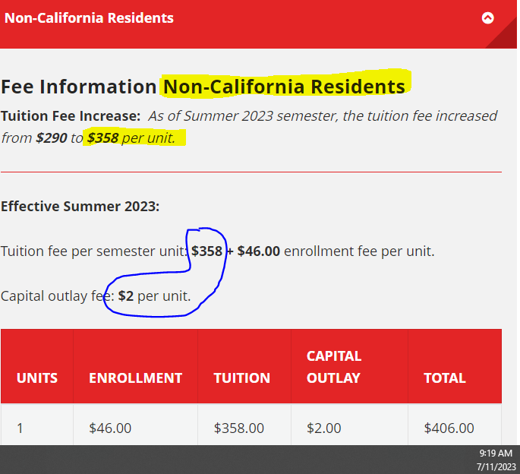

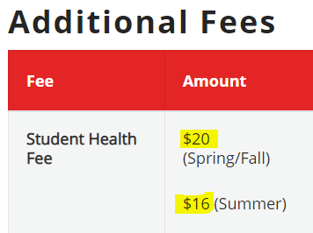

BANNER Code | Additional Expenses:
ABRD | Study Abroad Expenses |  | International Program costs determined by the school on an individual basis
CARE | Dependent Care |  | Reasonable expenses with adequate documentation based on the number and ages of student's dependents. Use only on a case-by-case basis
COC | Cost of Computer |  | Purchase of the computer system (Reasonable cost up to $3,000) based on adequate documentation.
DISB | Disability Expense |  | Allowance for expenses related to disability if not covered by another agency. (These expenses do not apply to less than half time students).
TRAN | Transportation |  | Increase in Transportation Costs is allowable if properly documented. May include transportation between campuses, residences, and a student's place of work

The California Student Aid Committee (CSAC) Standard has been used in construction of Student Expense Budget.
B+S | Books, course materials, supplies, and equipment |  | $1,022 includes Books ($486), Educational Supplies ($137), Course Material Fees ($173), and Computer Related Expenses ($142) excluding the cost associated with the purchase of personal computer. Used 23-24 CSAC Standard with 9% increase
FEES | Enrollment and/or Health Fees |  | $46.00 per unit (subject to change) X Average Full-time Attendance (36 units, 18 units per semester) + Health Fees ($20.00 per semester, $ 40.00 per academic year, $16 for Summer)
PERS | Miscellaneous Personal Expenses |  | Used 23-24 CSAC Standard with 9% increase
R+B | Food and Housing |  | Used 23-24 CSAC Standard with 9% increase
TRAN | Transportation |  | Used 23-24 CSAC Standard with 9% increase

 | Enrollment and Health Fee* - calculation | ($46*36) +$40=$1696- full year
 |  | $1,696 / 2 = $848- one semester (Fall 23 or Spring 24)
 |  | ($46*18)+$16= $844 for Summer 24 only (as Health Fee for Summer = $16.00 instead of $20) |  |  |  |  |  |  |  |  |  |  |  |  |  | must be recalculated if Health Fees for Summer 24 are reviewed by the Board of Trustees
 |  | $848-$844 = $4 - difference btw Fall only or Spr only and Summer only

 | Out of State Tuition and Fee** (Non-Resident charges) - calculation | $360*36 units = $12,960 - full year
 |  | $360*18 units = $6,480 - one semester (Fall 23 or Spring 24)
 |  | $360*18 units = $6,480 - for Summer 24 only, using the same Non-Resident charges as for Fall 23 / Spring 24 ($360.00= $358 Tuition + $2 Capital Outlay) |  |  |  |  |  |  |  |  |  |  |  |  |  | must be recalculated if Enrollment Fees for Summer 24 are reviewed by the Board of Trustees
 |  | ($360*36 units)*19.44%= $2,519 - for Summer 24 as part of combination (Fall 23+Sum24 or Spr24+Sum24)

